Sheet1
PBID | LP Name | Code | Data Website | Last Check Date | Notes
11554-48 | California State Teachers' Retirement System | CalSTRS | http://www.calstrs.com/private-equity-portfolio-performance | 2015-03-31
11563-12 | District of Columbia Retirement Board | DCRB | http://dcrb.dc.gov/service/investment-reports | 2015-06-30
11554-84 | Cambridge Retirement System | CamRet | http://www.cambridgeretirementma.gov/financial-reports | 2015-06-30
11607-67 | Employees' Retirement System of the State of Hawaii | HIERS | http://ers.ehawaii.gov/investments/holdings | 2015-06-30 | new updated links under subcategories PE, VC, RE, Timber | for pe,vc,re,timber
11079-46 | California Public Employees Retirement System | CalPERS | https://www.calpers.ca.gov/page/investments/asset-classes/private-equity/pep-fund-performance | 2015-03-31
56968-93 | San Jose Police & Fire Department Retirement Plan | San Jose P&F | https://www.sjretirement.com/PF/Investments/Investments-Performance.asp | 2015-03-31 | for pe, RE
13439-17 | Contra Costa County Employees Retirement Association | CCCERA | http://www.cccera.org/investment-performance | 2015-06-30
39287-17 | Municipal Employees' Annuity & Benefit Fund Of Chicago | MEABF | http://www.meabf.org/investments-reports.php | 2015-03-31
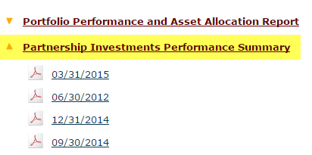

11542-96 | North East Scotland Pension Fund | ACC | http://www.nespf.org.uk/Investment/inv_managers.asp | 2015-06-30
11600-20 | Chicago Public School Teachers' Pension & Retirement Fund | CTPF | http://www.ctpf.org/general_info/Investments.htm | 2015-03-31 | Only links updated under "Quarterly Performance"
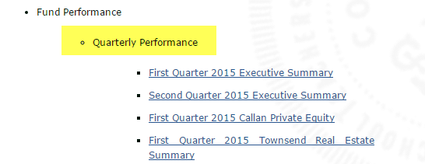

11549-89 | Baltimore Fire & Police Retirement System | BCFPERS | http://bcfpers.org/services-view/investment-flash-reports/ | 2015-09-30
10849-06 | Canada Pension Plan Investment Board | CPPIB | http://www.cppib.com/en/what-we-do/our-investments.html | 2015-03-31 | Only quarterly private equity report
53645-14 | City Of Grand Rapids General Retirement System | GRRS | http://grcity.us/retirement-systems/General-Retirement-System/Pages/General-Investment-Performance-Reports.aspx | 2015-06-30
58382-83 | City of Grand Rapids Police and Fire Retirement System | GRPFRS | http://grcity.us/retirement-systems/Police-and-Fire-Retirement-System/Pages/Police-and-Fire-Investment-Performance-Reports.aspx | 2015-06-30
11598-13 | City of Phoenix Employees' Retirement Plan | COPERS | https://www.phoenix.gov/copers/pension-plan-reports | 2015-03-31 | Only quarterly real estate report
58549-42 | Rhode Island State Investment Commission | RISIC | http://investments.treasury.ri.gov/meetings-reports/ | 2015-06-30
12657-70 | Fresno County Employees' Retirement Association | FCERA | http://www2.co.fresno.ca.us/9200/investments.htm#Investment | 2015-03-31
11616-67 | University of Wisconsin System | UWS | https://www.wisconsin.edu/trust-funds/investments-and-reports/ | 2015-06-30 | Link: "Quarterly Investment Review"
11619-19 | Washington State Investment Board | WSIB | http://www.sib.wa.gov/financial/invrep_ir.asp | 2015-03-31
11585-80 | Maine Public Employees Retirement System | MainePERS | http://www.mainepers.org/Investments/Investments.htm | 2015-03-31 | Link: "Private Market Investments Summary"
11589-76 | Montana Board of Investments | MDOC | http://investmentmt.com/Meetings/2015Meetings | 2015-03-31 | Only updated "Agenda and Board Meeting Materials" links (ie, NOT "Agenda - Human Resource Committee link) | RELOOK
11591-92 | New Hampshire Retirement System | NHRS | https://www.nhrs.org/funding-and-investments/investments | 2015-06-30 | Link "Quarter-End Private Market Investment Overview"
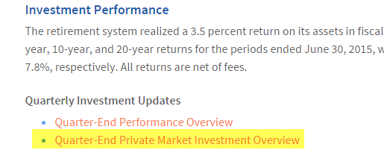

11592-01 | New Jersey Division of Investment | NJSIC | http://www.state.nj.us/treasury/doinvest/directorsreports.shtml | 2015-06-30
11592-19 | New Mexico Educational Retirement Board | NMERB | http://www.nmerb.org/Investments.html | 2015-03-31 | Any link updates under ALL sub-links (3 total: 2015 Infrastructure, 2015 Private Equity, 2015 Real Estate and Natural Resources) | SCRAPE BLOCKER!!!
11592-28 | New Mexico State Investment Council | NMSIC | http://www.sic.state.nm.us/meeting-materials.aspx | 2015-06-30 | Only updates under State Investment Council > Meeting Materials > 2015
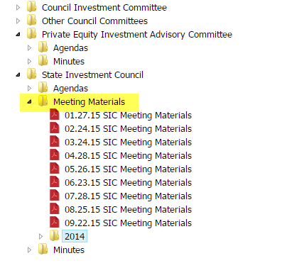

53521-84 | New York City Board of Education Retirement System | NYCBERS | https://www.opendatanyc.com/browse?category=BERS+%28NYC+Board+of+Education+Retirement+System%29&tags=meeting+agendas+%26+performance+2015 | 2015-03-31
53521-66 | New York City Employee Retirement Systems | NYCERS | https://www.opendatanyc.com/browse?category=NYCERS+%28NYC+Employees%27+Retirement+System%29&tags=meeting+agendas+%26+performance+2015 | 2015-03-31
53521-75 | New York City Fire Department Pension Fund | NYCFDPF | https://www.opendatanyc.com/browse?category=FIRE+%28NYC+Fire+Department+Pension+Fund%29&tags=meeting+agendas+%26+performance+2015 | 2015-03-31
51337-99 | New York City Police Pension Fund | NYCPPF | https://www.opendatanyc.com/browse?category=POLICE+%28NYC+Police+Pension+Fund%29&tags=meeting+agendas+%26+performance+2015 | 2015-03-31
11592-55 | New York City Teachers Retirement System | NYCTRS | https://www.opendatanyc.com/browse?category=TRS+%28Teachers%27+Retirement+System+City+of+New+York%29&tags=meeting+agendas+%26+performance+2015 | 2015-03-31
13348-72 | Oklahoma Police Pension & Retirement System | OPPRS | http://www.ok.gov/OPPRS/Monthly_Investment_Returns/index.html | 2015-09-30
11594-89 | Oregon Public Employees' Retirement System | OPERF | http://www.oregon.gov/treasury/Divisions/Investment/Pages/Oregon-Public-Employees-Retirement-Fund.aspx | 2051-06-30 | Updated info in PE, RE, Alternatives and Opp links on top of page (4 reports total)
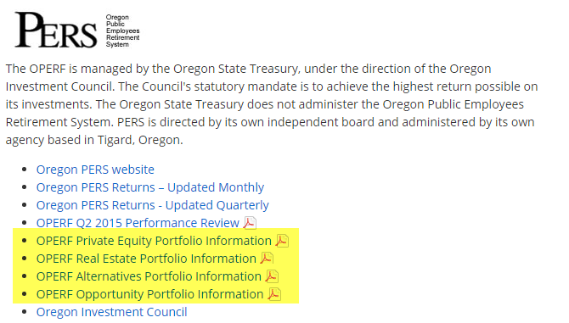

11575-72 | Public Employee Retirement System of Idaho | PERSI | http://www.persi.idaho.gov/investments/reports.cfm | 2014-12-31 | Any updated link under Private Equity tab
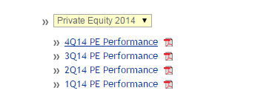

40385-44 | San Diego City Employees’ Retirement System | SDCERS | https://sdcers.org/About-SDCERS/Board-Meetings/Agendas-June-2009-present.aspx | 2015-03-31 | Any link updated associated with "Investment Committee"
53427-70 | San Joaquin County Employees' Retirement Association | SJCERA | http://www.sjcera.org/Pages/index.htm | 2014-12-31 | Any updated report under "Quarterly Real Estate Performance Report" tab
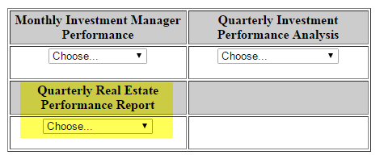

11603-80 | San Jose Federated City Employees' Retirement System | FCERS | https://www.sjretirement.com/Fed/Investments/Investments-Performance.asp | 2015-03-31 | Only links that updated with name "Meketa Private Markets Performance Report as of _______"
56968-93 | San Jose Police & Fire Department Retirement Plan | San Jose P&F | https://www.sjretirement.com/PF/Investments/Investments-Performance.asp | 2015-03-31 | Only links that update with the name "NEPC Real Estate Review as of _____" OR "NEPC Private Equity Review as of ______"
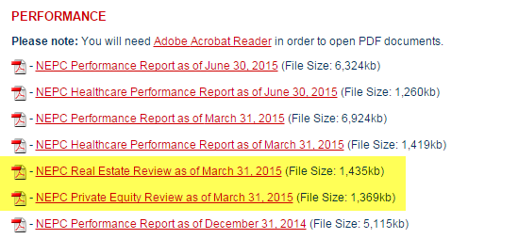

53427-61 | San Luis Obispo County Pension Trust | SLOCPT | http://www.slocounty.ca.gov/PensionTrust/agendas.htm | 2015-06-30 | ONLY new links that contain "Agenda & Board Materials" in title
11575-99 | State Universities Retirement System of Illinois | SURS Il | http://www.surs.org/quarterly-standard-investment-reports | 2015-06-30
58144-69 | Vermont State Employees Retirement System | VSERS | http://www.vermonttreasurer.gov/retirement/state-financial-reports | 2015-06-30 | all updates under "Financial Snapshots" section
58145-23 | Vermont Municipal Employees' Retirement System | VMERS | http://www.vermonttreasurer.gov/retirement/muni-financial-reports | 2015-06-30 | all updates under "Financial Snapshots" section
58144-96 | Vermont State Teachers Retirement System | VSTRS | http://www.vermonttreasurer.gov/retirement/vstrs-financial-reports | 2015-06-30 | all updates under "Financial Snapshots" section
11620-18 | Western Michigan University Foundation | WMU Foundation | http://www.mywmu.com/s/1428/gid2/index.aspx?sid=1428&gid=2&pgid=429 | 2015-06-30
11588-14 | Michigan Department of Treasury | MERS | http://www.michigan.gov/treasury/0,4679,7-121-1753_37621_66445_71378---,00.html | 2015-09-30
53714-53 | Allegheny County Retirement System | RBAC | http://www.alleghenycounty.us/retirement/report2015.aspx | 2015-03-31
25168-06 | Dallas Police & Fire Pension System | DPFP | https://www.dpfp.org/Agendas.html | 2015-03-31 | Any link updated with: "Regular Agenda plus background material"
54109-18 | Imperial County Employees' Retirement System | ICERS | http://www.icers.info/QuarterlyInvestments/QuarterlyInvestments.htm | 2015-06-30
54040-69 | Tulare County Employees' Retirement Association | TCERA | http://tcera.org/Publications.php | 2015-06-30 | Anything new under "Investment/Financial" Section
42379-75 | Fort Worth Employees' Retirement Fund | FWER | http://fortworthretirementtx-investments.minutesondemand.com/ | 2015-06-30 | Anything new updated under "Quarterly Asset Value" tab
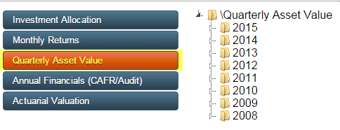

63692-38 | City of Baltimore Employee's Retirement System | COB ERS | http://bcers.org/investmentreports.html | 2015-06-30
52075-45 | Southern Illinois University Carbondale Endowment | SIU Endowment | http://www.siuf.org/wordpress/index.php/investment-overview/ | 2015-06-30 | Updated link "Investment Performance Detail" | http://www.siuf.org/financial/investmentperformancedetail.pdf
51685-66 | El Paso Firemen & Policemen's Pension Fund | El Paso F&P | http://elpasofireandpolice.org/fr_investment.asp | 2015-06-30
52900-30 | Iowa Municipal Fire & Police Retirement System | MFPRSI | http://www.mfprsi.org/about-mfprsi/investments/ | 2015-06-30 | Updated "Most Recent Quarter" link under Investment Performance
57690-91 | Massachusetts Water Resource Authority Employees' Retirement System | MWRA ERS | http://www.mwraretirement.com/general/page/investment-performance | 2015-06-30
11616-58 | The Regents of the University of California | UC Regents | http://www.ucop.edu/investment-office/investment-reports/index.html | 2014-12-31 | Updates to link "Alternative Investments: Private Equity Internal Rates of Return"
58803-04 | Town of Greenwich Retirement System | GRS | http://www.greenwichct.org/government/boards/retirement_board/investment_performance_reports/ | 2014-06-30
11557-27 | Cincinnati Retirement System | CRS | http://www.cincinnati-oh.gov/retirement/financial-information/investment-reports-2015/ | 2015-09-30
11583-37 | London Borough of Islington Pension Fund | Islington | http://www.islington.gov.uk/about/council-works/councilfinance/Pages/policies.aspx | 2015-06-30 | Link "Islington Pension Fund" - will download quarterly updated excel sheet
11588-86 | Milwaukee County Employees' Retirement System | MC-ERS | http://county.milwaukee.gov/Retirement/Reports/Investment.htm | 2015-06-30 | Only need the quarterly flash reports - not every month
112776-31 | Community Foundation of the Chattahoochee Valley | Chattahoochee | http://www.cfcv.com/plaintext/aboutus/investmentperformance.aspx | 2015-06-30 | Link entitled "Most Recent Investment Performance"
25770-52 | Firefighters' Retirement System of Louisiana | FRS LA | http://www.lafirefightersret.com/investment.html | 2015-09-30
64388-44 | Nevada System of Higher Education Endowment | NSHE Endowment | http://system.nevada.edu/Nshe/index.cfm/data-reports/financial-reports/quarterly-investment-reports/ | 2015-06-30

11596-06 | Castle Private Equity | gp Castle PE | http://www.castlepe.com/en/cpe/reports/quarterly-reports.html | 2014-06-30
42525-73 | Spice Private Equity | gp Spice PE | http://www.spice-private-equity.com/CMS/en-GB/Media%20Room/News.aspx?cmsid=36 | 2015-09-30 | Anything with Inerim Report or Annual Report in link
11023-48 | Mithras Capital Partners | gp MCP | http://www.mithrascapital.com/reports/ | 2015-06-30
11145-43 | CapMan Capital Management | gp CapMan | http://www.capman.com/capman-group/earnings-model-and-financials/result | 2015-09-30
10367-47 | HBM Healthcare Investments | gp HBM Healthcare | http://www.hbmhealthcare.com/en/investoren/finanzberichte/finanzberichte-2015-2016.php | 2015-09-30

 | SEMI ANNUALLY
53714-17 | Aberdeen Private Equity Fund | gp APEF | http://www.aberdeenprivateequity.co.uk/en/itprivateequityfund/literature/historic-reports | 2015-03-31 | Half yearly at 1Q and 3Q
14183-02 | AP Fonden 3 | AP3 | http://www.ap3.se/sites/english/portfolio/totalportfolio/Pages/Securitiesholding.aspx | 2015-06-30 | Half yearly at 4Q and 2Q
11547-46 | AP Fonden 2 | AP2 | http://www.ap2.se/en/Portfolio/portfolio/ | 2014-12-31 | ? Updated sporadically
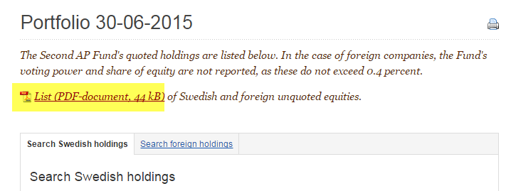

60293-35 | The Permanent University Fund | PUF | http://www.utimco.org/scripts/internet/fundsdetail.asp?fnd=2 | 2015-06-30 | 2Q and 4Q

 | ANNUAL BASIS
13471-75 | The African Development Bank | AfDB | http://www.afdb.org/en/documents/financial-information/financial-statements-and-data/ | 2014-12-31 | Only updated links with "AfDB Financial Statements" in tab
10894-78 | New York State Common Retirement Fund | NYCRF | http://www.osc.state.ny.us/retire/about_us/financial_statements_index.php#cafr | 2015-03-31 | Updated CAFR annually - as of Q1
58535-92 | Basellandschaftliche Pensionskasse | BLPK | http://www.blpk.ch/Home/infocenter/geschaeftsberichte.html | 2014-12-31
11145-43 | CapMan Capital Management | gpCapMan4q | http://www.capman.com/capman-group/funds/fund-returns | 2014-12-31

 | Next Set
11603-53 | San Bernardino County Employees' Retirement Association | SBCERA | https://www.sbcera.org/Investments/FiscalYearPerformance.aspx | 2015-06-30
11543-95 | Alaska Permanent Fund Corp. | APFC | http://www.apfc.org/home/Content/publications/reportArchive.cfm | 2015-09-30
52082-47 | The Iowa State University Endowment | Iowa Regents | http://www.regents.iowa.gov/Meetings/DocketMemos/agendaitems.html | 2015-06-30 | Any new board meeting
11615-68 | University of Washington Endowment | UW Endowment | https://uwff-dev1.s.uw.edu/treasury2/CEF/reports | 2015-06-30 | Link under "Private Investment Disclosure Requirement"
11596-33 | Pennsylvania Public School Employees Retirement System | PSERS | http://www.psers.state.pa.us/investment/invest.htm | 2014-12-31 | Private Markets + Real Estate Links
11604-79 | Sheet Metal Workers National Pension Fund | SMWNPF | http://www.smwnpf.org/about-the-fund/financial-documents/ | 2015-06-30 | Anything with "Financial Statement" in link name
98822-17 | Irving Firemen's Relief and Retirement Fund | Irving Fire | http://cityofirving.org/278/Firemens-Relief-Retirement-Fund | 2015-07-16 | "Proposed Cash Flow and Rebalancing Worksheet" link at bottom of page under Reports
51615-10 | Partners Group Private Equity Performance | Partners P3 | http://pgdatahotel.net/index.php | 2015-09-30 | ask me :)
51615-37 | Pearl Holding Limited | Partners Pearl | http://pgdatahotel.net/index.php | 2015-09-30 | ask me :)
10772-83 | Princess Private Equity | Partners Princess | http://pgdatahotel.net/index.php | 2015-09-30 | ask me :)
11582-56 | Lincolnshire County Council | Lincolnshire | http://www.wypf.org.uk/Member/Investments/Lincoln/Lincoln_Investments_Index.aspx | 2015-09-30 | New "Private equity and property investments" links
10124-74 | Onex | gp Onex | http://www.onex.com/Our_Return_on_Invested_Capital.aspx | 2015-09-30
11548-00 | Arizona State Retirement System | ASRS | https://www.azasrs.gov/content/annual-reports | 2014-06-30
11548-09 | Arkansas Teacher Retirement System | ATRS | https://www.artrs.gov/publications | 2014-06-30
11579-32 | Kansas Public Employees Retirement System | KPERS | http://www.kpers.org/about/reports.html | 2014-12-31 | Annual Reports
11547-91 | Public Safety Personnel Retirement System of the State of Arizona | PSPRS | http://www.psprs.com/sys_psprs/AnnualReports/cato_annual_rpts_psprs.htm | 2014-06-30 | "Public Safety Personnel Retirement System ANNUAL REPORTS"
11600-11 | Public School Retirement System of Missouri | PEERS | https://www.psrs-peers.org/Investments/Annual-Report.html | 2014-06-30
11606-41 | South Dakota Investment Council | SDIC | http://www.sdrs.sd.gov/publications.aspx | 2014-06-30 | Annual Report CAFR
11583-10 | Keva | Keva | http://www.keva.fi/EN/ABOUT_US/FINANCIAL_INFORMATION/Pages/2015.aspx | 2014-12-31 | When Annual Report updates for each new year
11620-27 | West Yorkshire Pension Fund | WYPF | http://www.wypf.org.uk/Member/Investments/PrivateEquityPortfolio/PrivateEquityPortfolio.aspx | 2015-03-31
53521-66 | New York City Employee Retirement Systems | NYC-ERS | https://www.opendatanyc.com/browse?category=NYCERS+%28NYC+Employees%27+Retirement+System%29&tags=meeting+agendas+%26+performance+ | 'November 2015'
11592-55 | New York City Teachers Retirement System | NYC-TRS | https://www.opendatanyc.com/browse?category=TRS+%28Teachers%27+Retirement+System+City+of+New+York%29&tags=meeting+agendas+%26+performance+ | 'November 2015'
53521-75 | New York City Fire Department Pension Fund | NYC-FDPF | https://www.opendatanyc.com/browse?category=FIRE+%28NYC+Fire+Department+Pension+Fund%29&tags=meeting+agendas+%26+performance+ | 'November 2015'
51337-99 | New York City Police Pension Fund | NYC-PPF | https://www.opendatanyc.com/browse?category=POLICE+%28NYC+Police+Pension+Fund%29&tags=meeting+agendas+%26+performance+ | 'November 2015'
25168-06 | Dallas Police & Fire Pension System | DPFP | https://www.dpfp.org/Agendas.html | 'images/PDFs/Agendas/2015/10-Oct/Agenda 10 08 2015 reg - Web.pdf'
58803-04 | Town of Greenwich Retirement System | GRS | http://www.greenwichct.org/government/boards/retirement_board/investment_performance_reports/
13348-72 | Oklahoma Police Pension & Retirement System | OPPRS | http://www.ok.gov/OPPRS/Monthly_Investment_Returns/index.html
25770-52 | Firefighters' Retirement System of Louisiana | FRSLA | http://www.lafirefightersret.com/investment.html
57690-91 | Massachusetts Water Resource Authority Employees' Retirement System | MWRAERS | http://www.mwraretirement.com/general/page/investment-performance

